Ark1
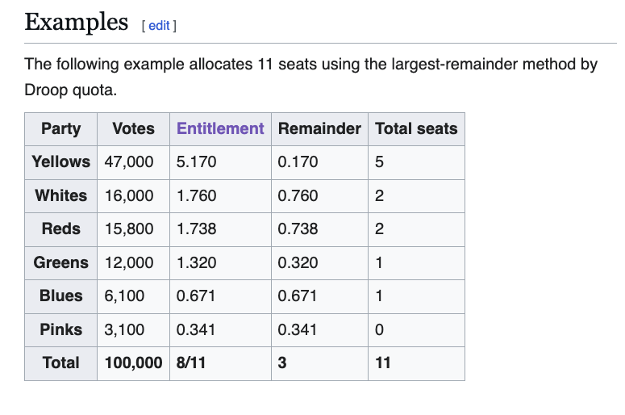
 | 169
 |  |  |  |  |  |  | 5.17
 |  | FE | WS | REM |  | RS
A | 54.2 | 64.1 | 64.0 | 0.099 | 1 | 1 | 65.0
FRP | 42.5 | 50.3 | 50.0 | 0.262 |  |  | 50.0
H | 27.4 | 32.4 | 32.0 | 0.404 | 2 | 1 | 33.0
KRF | 2 | 2.4 | 2.0 | 0.365 |  |  | 2.0
MDG | 0.8 | 0.9 | 0.0 | 0.946 |  |  | 0.0
 | 8 | 9.5 | 9.0 | 0.461 |  |  | 9.0
 | 8 | 9.5 | 9.0 | 0.461 | 3 | 1 | 10.0
 | 143 | 169 | 166 | 3.000 |  |  | 169

